Use Cases
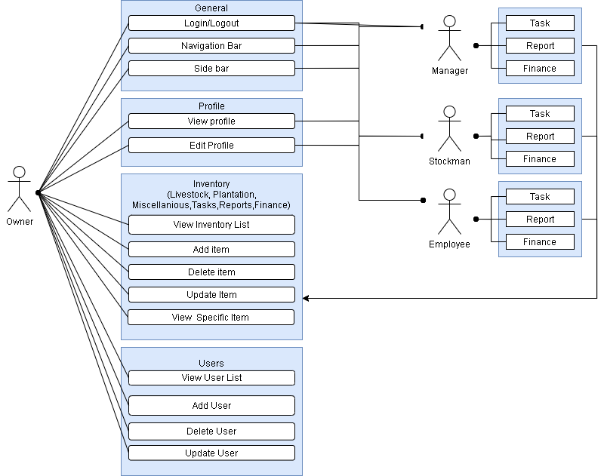
Kerbel
Use Case Diagram

